7.2
Indicator 7.2: Portal user-friendliness
User-friendliness |  |  |  |  | Visual harmonisation score
7.2.1 User-friendliness | Date [1] | Portal [2] |  |  | 7.2.2 Visual Harmonisation score | Date | Portal | Visual harmonisation score
 | 2019-07-01 | Bathymetry |  |  |  | 2019-07-01 | Bathymetry | 76
Page | Average duration of visit |  | Trend (%) | Page Type [3] | Harmonisation elements | Description |  | Score [1] (3 1 0) | Trend (+ - =)
 | Last report | Actual report
CDI Data Discovery and Access service | 0:02:37 | 0:01:21 | -48.407643312 | Navigation | Logo usage | subtotal |  | 12 / 12 | (+ - =)
EMODnet Bathymetry Viewing and Download service | 0:01:42 | 0:01:47 | 4.9019607843 | Content | Logo position |  |  | 3 | =
Home page | 0:00:56 | 0:00:21 | -62.5 | Landing | Logo type |  |  | 3 | =
How can you contribute? | 0:00:05 | 0:01:40 | 1900 | Navigation | Logo size |  |  | 3 | =
QA/QC and DTM production details | 0:01:11 | 0:02:00 | 69.014084507 | Content | Logo url |  |  | 3 | =
Request Status Manager (RSM) | 0:00:31 | 0:01:00 | 93.548387097 | Navigation | Font usage | subtotal |  | 15 / 15 | (+ - =)
Web services and standards | 0:01:10 | 0:01:41 | 44.285714286 | Navigation | Font type |  |  | 3 | =
[1] Date is the date of measurement, preferably on the 1st of each month. |  |  |  |  | Font usage (capital letters, etc.) |  |  | 3 | =
[2] Portal is the portal’s name. |  |  |  |  | Font spacing |  |  | 3 | =
[3] Three different types of pages have been defined: content page [maps, tables, articles…], |  |  |  |  | Font colour |  |  | 3 | =
navigation page [menus, lists of links for services or other kinds of content…], landing page (see the Monitoring Support Document). |  |  |  |  | Font justification |  |  | 3 | =
 |  |  |  |  | Webportal header | subtotal |  | 21 / 21 | (+ - =)
 |  |  |  |  | Pattern usage |  |  | 3 | =
Automatic user flow |  |  |  |  | Header size |  |  | 3 | =
 |  |  |  |  | Search box |  |  | 3 | =
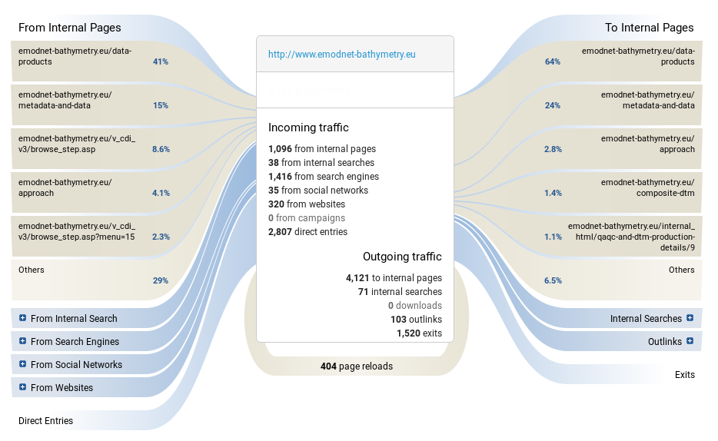
 |  |  |  |  | Contact Us button |  |  | 3 | =
 |  |  |  |  | Submit Data button |  |  | 3 | =
 |  |  |  |  | Favicon |  | https://drive.google.com/drive/folders/0BxElepoDm95sZXZaYzFKNDN2RGs | 0 | -
 |  |  |  |  | Stripline colour |  |  | 3 | =
 |  |  |  |  | Footer structure | subtotal |  | 17 / 21 | (+ - =)
 |  |  |  |  | Footer size |  | Sligthly bigger | 1 | =
 |  |  |  |  | Footer elements |  | “Privacy Policy” should go in the dark gray area | 1 | =
 |  |  |  |  | Footer visuals |  |  | 3 | =
 |  |  |  |  | EC Acknowledgement |  |  | 3 | =
 |  |  |  |  | EC flag |  |  | 3 | =
 |  |  |  |  | Link to social media |  |  | 3 | =
 |  |  |  |  | Social Media icons |  |  | 3 | =
 |  |  |  |  | Policy Privacy | subtotal |  | 4 / 6 | (+ - =)
 |  |  |  |  | Presence |  |  | 3 | =
 |  |  |  |  | GDPR compliant [2] |  | No SSL, No Privacy Policy under forms | 1 | =
 |  |  |  |  | Main menu | subtotal |  | 10 / 12 | (+ - =)
 |  |  |  |  | User experience |  |  | 3 | =
 |  |  |  |  | Sub menu |  |  | 3 | =
 |  |  |  |  | Menu tabs terminology |  | Replace "Approach" with "About" and "Promotion" with "Publications" | 1 | =
 |  |  |  |  | Menu size |  |  | 3 | =
 |  |  |  |  | Responsive | Guidelines to be defined |  |  | (+ - =)
Usage of the portals on different devices
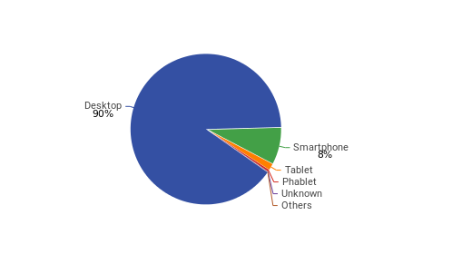
 |  |  |  |  | [1] Compliant with the visual guidelines (3pt), Not completely compliant with the visual guidelines (1pt), Not compliant (0 pt).
 |  |  |  |  | [2] The “GDPR compliant” parameter is aimed at evaluating the correct adoption of the GDPR elements related to websites. The parameter doesn’t assess the Privacy Policy text per se, as this must be done by legal experts. The total score is the result of the assessment of the following elements:

 |  |  |  |  | SSL: The website MUST have an SSL Certificate
 |  |  |  |  | Cookies: The Cookies notification must be visible
 |  |  |  |  | Forms:
 |  |  |  |  | All webforms must have checkboxes stating “I accept the Privacy Policy” with a link to the Privacy Policy
 |  |  |  |  | All webforms must clearly indicate what mailing service is used and it has to be reported in the Privacy Policy
 |  |  |  |  | Where a Newsletter signup exists, the website needs to indicate WHY user’s personal data is collected
 |  |  |  |  | Layout:
 |  |  |  |  | The Privacy Policy must be linked in all the webpages

