7.2
Indicator 7.2: Portal user-friendliness
User-friendliness |  |  |  |  | Visual harmonisation score
7.2.1 User-friendliness | Date [1] | Portal [2] | Tool |  | 7.2.2 Visual Harmonisation score | Date | Portal | Visual harmonisation score
 | 2019-01-04 | Seabed Habitats | Matomo |  |  | 2019-01-04 | Seabed Habitats | 74
Page | Average duration of visit |  | Trend (%) | Page Type [3] | Harmonisation elements | Description |  | Score [1] (3 1 0) | Trend (+ - =)
 | Last Report | Actual Report
Data Exchange Format | 0:00:19 | 0:02:01 | 536.84 | Content | Logo usage | subtotal |  | 12 / 12 | (+ - =)
Data Submission Process | 0:00:54 | 0:01:56 | 114.81 | Content | Logo position |  |  | 3 | =
Documents | 0:00:35 | 0:01:59 | 240.00 | Navigation | Logo type |  |  | 3 | =
Download data | 0:02:08 | 0:02:10 | 1.56 | Navigation | Logo size |  |  | 3 | =
Home page | 0:00:28 | 0:00:43 | 53.57 | Landing | Logo url |  |  | 3 | =
Launch Map Viewer | 0:01:37 | 0:01:39 | 2.06 | Content | Font usage | subtotal |  | 10 / 15 | (+ - =)
MESH archive | 0:01:01 | 0:01:43 | 68.85 | Navigation | Font type |  | The main font should be Open Sans | 0 | -
Search metadata | 0:01:34 | 0:00:52 | -44.68 | Forms/Search | Font usage (capital letters, etc.) |  | Header’s menu items should be all capital | 1 | -
Web Services | 0:03:20 | 0:01:55 | -42.50 | Content | Font spacing |  |  | 3 | =
[1] Date is the date of measurement, preferably on the 1st of each month. |  |  |  |  | Font colour |  |  | 3 | =
[2] Portal is the portal’s name. |  |  |  |  | Font justification |  |  | 3 | =
[3] Three different types of pages have been defined: content page [maps, tables, articles…], |  |  |  |  | Webportal header | subtotal |  | 21 / 21 | (+ - =)
navigation page [menus, lists of links for services or other kinds of content…], landing page (see the Monitoring Support Document). |  |  |  |  | Pattern usage |  |  | 3 | =
 |  |  |  |  | Header size |  |  | 3 | =
 |  |  |  |  | Search box |  |  | 3 | =
Automatic user flow |  |  |  |  | Contact Us button |  |  | 3 | =
 |  |  |  |  | Submit Data button |  |  | 3 | =
 |  |  |  |  | Favicon |  |  | 3 | =
 |  |  |  |  | Stripline colour |  |  | 3 | =
 |  |  |  |  | Footer structure | subtotal |  | 15 / 21 | (+ - =)
 |  |  |  |  | Footer size |  | The yellow bar is slightly thicker | 1 | -
 |  |  |  |  | Footer elements |  | ToS – Cookies and Privacy Policy should go in the dark gray area | 1 | -
 |  |  |  |  | Footer visuals |  |  | 3 | =
 |  |  |  |  | EC Acknowledgement |  |  | 3 | =
 |  |  |  |  | EC flag |  |  | 3 | =
 |  |  |  |  | Link to social media |  |  | 3 | =
 |  |  |  |  | Social Media icons |  | Wrong icons | 1 | =
 |  |  |  |  | Policy Privacy | subtotal |  | 4 / 6 | (+ - =)
 |  |  |  |  | Presence |  |  | 3 | =
 |  |  |  |  | GDPR compliant |  | No explicit “I accept the Privacy Policy” under Contact Us form | 1 | +
 |  |  |  |  | Main menu | subtotal |  | 12 / 12 | (+ - =)
 |  |  |  |  | User experience |  |  | 3 | =
 |  |  |  |  | Sub menu |  |  | 3 | =
 |  |  |  |  | Menu tabs terminology |  |  | 3 | =
 |  |  |  |  | Menu size |  |  | 3 | =
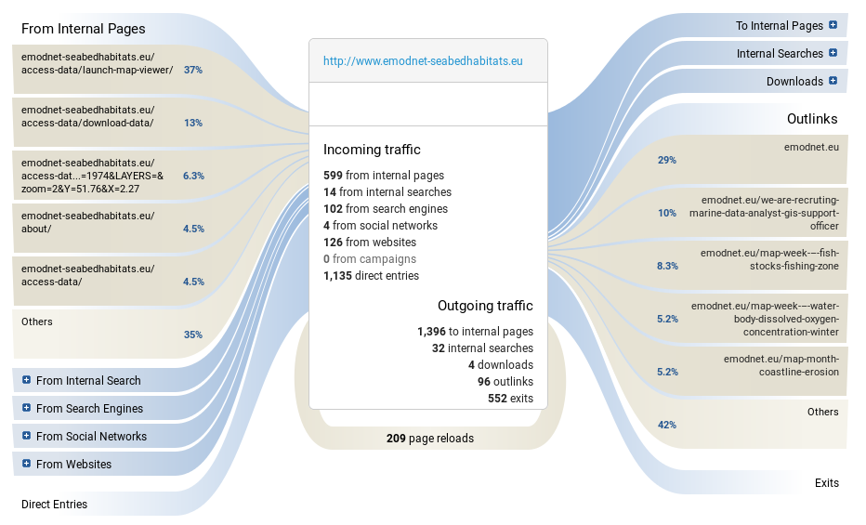
 |  |  |  |  | Responsive | Guidelines to be defined |  |  | (+ - =)
 |  |  |  |  | [1] Compliant with the visual guidelines (3pt), Not completely compliant with the visual guidelines (1pt), Not compliant (0 pt).
Usage of the portals on different devices
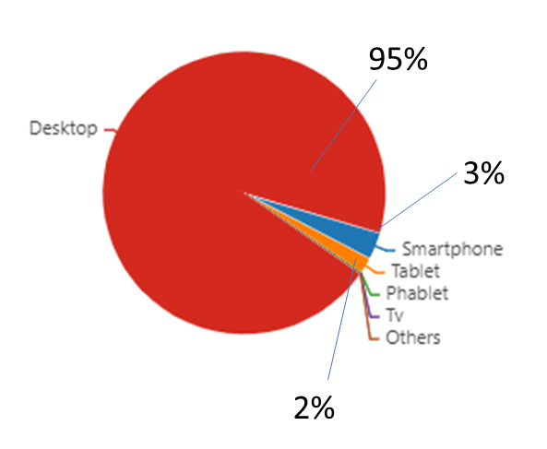
 |  |  |  |  | [2] The “GDPR compliant” parameter is aimed at evaluating the correct adoption of the GDPR elements related to websites.
 |  |  |  |  | The parameter doesn’t assess the Privacy Policy text per se, as this must be done by legal experts.
 |  |  |  |  | The total score is the result of the assessment of the following elements:

 |  |  |  |  | SSL
 |  |  |  |  | The website MUST have an SSL Certificate
 |  |  |  |  | Cookies
 |  |  |  |  | The Cookies notification must be visible
 |  |  |  |  | Forms
 |  |  |  |  | All webforms must have checkboxes stating “I accept the Privacy Policy” with a link to the Privacy Policy
 |  |  |  |  | All webforms must clearly indicate what mailing service is used and it has to be reported in the Privacy Policy
 |  |  |  |  | Where a Newsletter signup exists, the website needs to indicate WHY user’s personal data is collected
 |  |  |  |  | Layout
 |  |  |  |  | The Privacy Policy must be linked in all the webpages

